Linearity-1
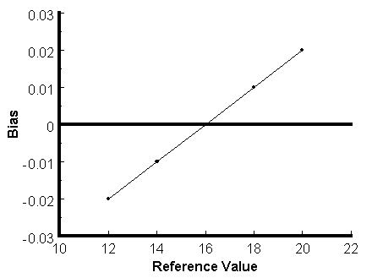
Linearity of Measurement System (Scatter Plot)
Linearity

 | Reference Value | Average Reading | Average Bias
 | 12 | 11.98 | -0.02
 | 14 | 13.99 | -0.01
 | 16 | 16 | 0
 | 18 | 18.01 | 0.01
 | 20 | 20.02 | 0.02

Bias
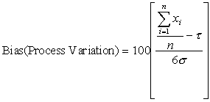
Gage Bias
 |  |  |  | Given a process standard deviation of σ, bias as a percent of process variation (6σ) is: |  |  | 100.1 | 100.6 | 101.5 | 101.6 | 101.8
Reference Value = | 100.3 |  | Data |  |  |  | 101.9 | 100.2 | 100.8 | 101.3 | 100.0
Average = | 100.91666667 |  | 100.1 |  |  |  | 101.0 | 101.1 | 102.0 | 100.5 | 100.7
Sample Standard Deviation = | 0.58726915249 |  | 101.9 |  |  |  | 100.2 | 101.6 | 100.9 | 100.6 | 100.4
Significance = | 10.0% |  | 101.0 |  |  |  | 100.6 | 100.8 | 100.5 | 101.0 | 100.0
t Critical = | 1.6991270265 | *** | 100.2 |  |  |  | 101.5 | 101.4 | 101.3 | 100.3 | 101.3
t Computed = | 5.7514044857 | *** | 100.6
Bias = | 0.61666666667 | *** | 101.5
 |  |  | 100.6
 |  |  | 100.2
 |  | *** | 101.1 | Given a tolerance (Upper specification - Lower specification) of T, bias as a percent of process tolerance is:
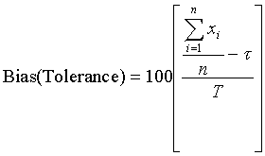
 |  |  | 101.6
 |  |  | 100.8 |  |  | ***
 |  |  | 101.4 |  |  | https://www.sjsu.edu/faculty/gerstman/StatPrimer/t-table.pdf
 |  |  | 101.5 |  |  | Search for row = 29 and column = 0.10
 |  |  | 100.8 |  |  | Using a significance level of a = 0.1, with 29 degrees of freedom (30 -1), the critical values with the Excel function
 |  |  | 102.0 |  |  | of the t-distribution are 1.699 and -1.699. These values can be found
 |  |  | 100.9 |  |  | 1.6991270265
 |  |  | 100.5 |  |  | Since the computed t-statistic does not fall between the critical values, the bias is significant, and the
 |  |  | 101.3 |  |  | possible, the scale should be adjusted to yield a bias of zero.
 |  |  | 101.6
 |  |  | 101.3 | The significance of the bias is determined using a t-test. The test hypotheses are:
 |  |  | 100.5 | Ho: m = t | H1: m does not equal t
 |  |  | 100.6 | The test statistic is:
 |  |  | 101.0 |  | ***
 |  |  | 100.3
 |  |  | 101.8
 |  |  | 100.0
 |  |  | 100.7 |  |  | ***
 |  |  | 100.4
 |  |  | 100.0
 |  |  | 101.3

Linearity-2
Scatter Plot for Linearity with Regression Line
Linearity
 |  |  |  |  |  |  |  |  | Reference (x) | x^2 | Bias (y) | y^2 | x * y
 |  |  |  |  |  |  |  |  | 10 | 100 | -0.166 | 0.027556 | -1.660
 | Reference (x) | Trial 1 | Trial 2 | Trial 3 | Trial 4 | Trial 5 | Bias (y) |  | 20 | 400 | -0.054 | 0.002916 | -1.080
 | 10 | 9.91 | 9.71 | 9.96 | 9.69 | 9.9 | -0.166 |  | 30 | 900 | -0.016 | 0.000256 | -0.480
 | 20 | 19.92 | 20.16 | 19.88 | 19.85 | 19.92 | -0.054 |  | 40 | 1600 | -0.048 | 0.002304 | -1.920
 | 30 | 29.68 | 30.15 | 30.46 | 29.48 | 30.15 | -0.016 |  | 50 | 2500 | 0.010 | 0.0001 | 0.500
 | 40 | 40.03 | 39.93 | 40.08 | 39.69 | 40.03 | -0.048 |  | 60 | 3600 | 0.014 | 0.000196 | 0.840
 | 50 | 50.31 | 49.78 | 50.04 | 49.86 | 50.06 | 0.01 |  | 70 | 4900 | 0.060 | 0.0036 | 4.200
 | 60 | 60.58 | 59.34 | 59.61 | 59.88 | 60.66 | 0.014 |  | 80 | 6400 | 0.048 | 0.002304 | 3.840
 | 70 | 70.14 | 69.93 | 69.52 | 69.86 | 70.85 | 0.06 |  | 90 | 8100 | 0.124 | 0.015376 | 11.160
 | 80 | 79.1 | 79.93 | 79.83 | 80.78 | 80.6 | 0.048 |  | 100 | 10000 | 0.146 | 0.021316 | 14.600
 | 90 | 89.4 | 89.4 | 90.47 | 89.96 | 91.39 | 0.124 | Total = | 550 | 38500 | 0.118 | 0.075924 | 30
 | 100 | 100.91 | 99.49 | 100.24 | 100.67 | 99.42 | 0.146

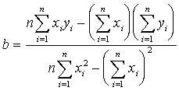
Process SD = | 0.03 |  |  | The bias at any point can be estimate from the slope and the y-intercept, yo of the best-fit line.
Slope (b) = | 0.0028496969697 | 0.00284970 |  | B = yo + bx
y-intercept (yo)= | -0.14493333333 | -0.14493333
%Linearity = | 0.285% | 0.285%
Linearity = | 0.0000855 | 0.0000855
n = | 10

